Diagram
Include a Database Diagram so it is clear how the tables are connected.

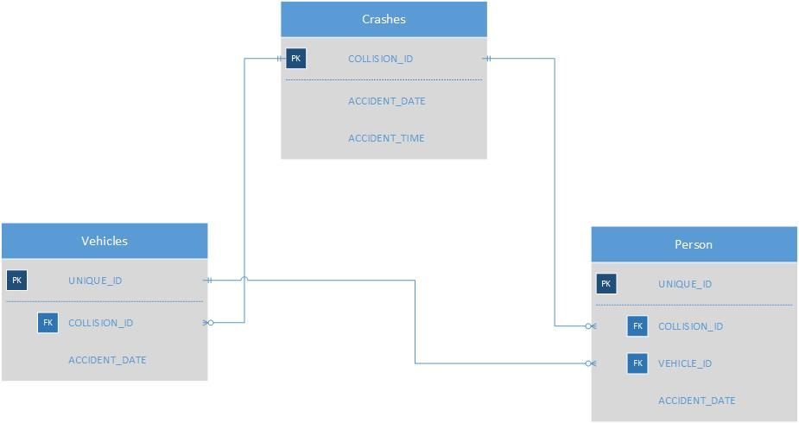
 | FCT1 | FCT2 | FCT3
 | collision | vehicle | Person
 | C1 | V1 | P1
 | C1 | V1 | P2
 | C1 | V1 | P3
 | C1 | V2 | P4
 | C1 | V2 | P5 | Time of coll

